cards
F | H | A | O | B 1-2
Black Codes | Segregation | Ratify | Constitution | universe of obligation
Jim Crow | Discrimination | Bill of Rights | prejudice | upstander
13th Amendment | Plessy v. Ferguson | Free | identity | bystander
14th Amendment | Brown v. Board of Education | Due process | Tolerance | perpetrator
15th Amendment | Race | Separate but equal | hatred | victim
F | H | A | O | B 1-2
Segregation | Ratify | Constitution | universe of obligation | Black Codes
Discrimination | Bill of Rights | prejudice | upstander | Jim Crow
Plessy v. Ferguson | 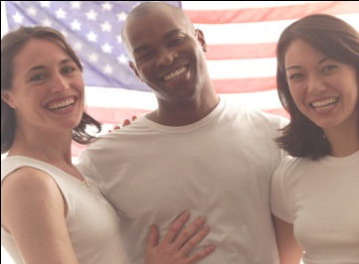 Servitude | Free | bystander | 13th Amendment
Brown v. Board of Education | Due process | Tolerance | perpetrator | 14th Amendment
Race | Separate but equal | hatred | victim | 15th Amendment
F | H | A | O | B 1-2
Ratify | Constitution | universe of obligation | Black Codes | Segregation
Bill of Rights | prejudice | upstander | Jim Crow | Discrimination
Servitude | identity | Free | 13th Amendment | Plessy v. Ferguson
Due process | Tolerance | perpetrator | 14th Amendment | Brown v. Board of Education
Separate but equal | hatred | victim | 15th Amendment | Race
F | H | A | O | B 1-2
Constitution | universe of obligation | Black Codes | Segregation | Ratify
prejudice | upstander | Jim Crow | Discrimination | Bill of Rights
identity | 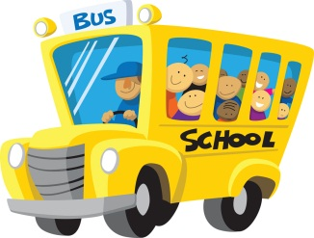 bystander | Free | Plessy v. Ferguson | Servitude
Tolerance | perpetrator | 14th Amendment | Brown v. Board of Education | Due process
hatred | victim | 15th Amendment | Race | Separate but equal
B | I | N | G | O
universe of obligation | Black Codes | Segregation | Ratify | Constitution
upstander | Jim Crow | Discrimination | Bill of Rights | prejudice
bystander | 13th Amendment | Free | Servitude | identity
perpetrator | 14th Amendment | Brown v. Board of Education | Due process | Tolerance
victim | 15th Amendment | Race | Separate but equal | hatred

